Directions - Due from & Due to
Statewide Financial Statements
Due To & Due From
GL 16XXX (Accounts Receivable) OR 35XXX (Accounts Payable)
2017-06-30

Guidance
cells containing FORMULAS | Orange cells contain formulas and should not be updated
Items included on this form: | This form will ONLY contain circuit specific amounts owed to or funds due from: 1. other state agencies, 2. other JAC offices, 3. other funds within your office.

Report columns | Report explanation
JAC ENTITY | This field is populated based on the ORG and EO code keyed into FLAIR.
JAC Fund ID | This field contains the 6-digit organizational ID, GAAFR ID, SF ID, and Fund ID (i.e. OLO-GF-SF-FID 210000-10-1-000069). This field is populated based on the JAC fund ID that will: 1. pay the amounts due to other state entities or agencies (accounts payable), 2. receive the amounts due from other state entities or agencies (accounts receivable). This information is pulled from FLAIR and must be reconciled / confirmed with the other agencies (internal or external to JAC).
JAC's GL | 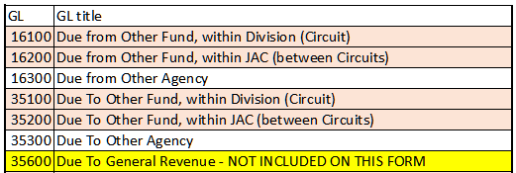 This field contains the appropriate 6-digit general ledger (GL) ID to identify the accounts payable (GL 35XXX) or the accounts receivable (GL 16XXX).
GL Title | This field is populated based on the General Ledger entered. The worksheet includes a General Ledger Lookup tab with all the GL and their titles.
JAC's Offset GL | This field contains the 6-digit revenue GL for depositing of these funds or expenditure GL for payment of these funds.
Partner Fund ID | This field contains the 6-digit organizational ID, GAAFR ID, SF ID, and Fund ID for the vendor agency being paid or the reimbursing agency sending the funds to your office (i.e. OLO-GF-SF-FID 210000-10-1-000069). This may be JAC or other agency This field is populated based on the other entity's or agency's fund ID that will: 1. receive the amounts due to other state entities or agencies (accounts payable). 2. pay the amounts due from other state entities or agencies (accounts receivable). This information is pulled from FLAIR and must be reconciled / confirmed with the other agencies (internal or external to JAC).
Partner Agency | This field is populated based on the Partner Fund ID field. If the 6-digit organizational ID is not JAC's - 210000, the organizational ID is looked up on the State Agency List tab which contains the IDs assigned to each state agency. If the 6-digit organizational ID is JAC's - 210000, the field is populated based on the FLAIR data entered.
Amount | This field identifies the amount the fund: 1. owes to other state entities or agencies (amount should be a credit or negative amount) (accounts payable). 2. will receive from other state entities or agencies (amount should be a debit or positive amount) (accounts receivable). This information is pulled from FLAIR and must be reconciled / confirmed with the other agencies (internal or external to JAC).
Description / Comments for Due From & Due To | Identifies what's being paid or being received in general.

